Instructions
ಇದರಮೇಲೆ ಕ್ಲಿಕ್ ಮಾಡಿ
ಇದರಮೇಲೆ ಕ್ಲಿಕ್ ಮಾಡಿ
ಇದರಮೇಲೆ ಕ್ಲಿಕ್ ಮಾಡಿ
ಇದರಮೇಲೆ ಕ್ಲಿಕ್ ಮಾಡಿ
ಇದರಮೇಲೆ ಕ್ಲಿಕ್ ಮಾಡಿ
ಇದರಮೇಲೆ ಕ್ಲಿಕ್ ಮಾಡಿ
ಇದರಮೇಲೆ ಕ್ಲಿಕ್ ಮಾಡಿ

ಮುಖ್ಯಾಂಶಗಳು
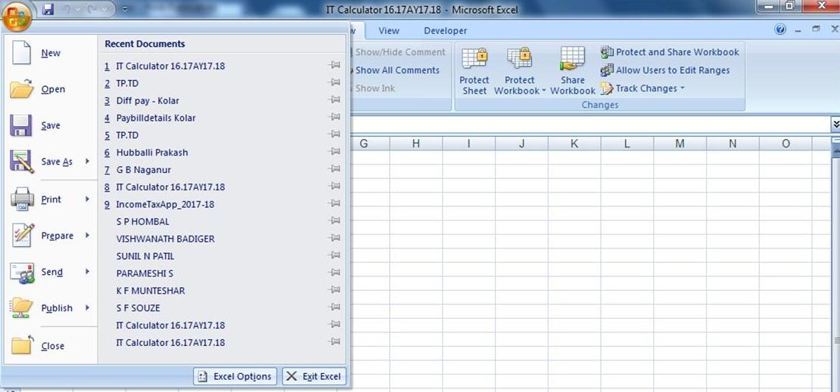 | 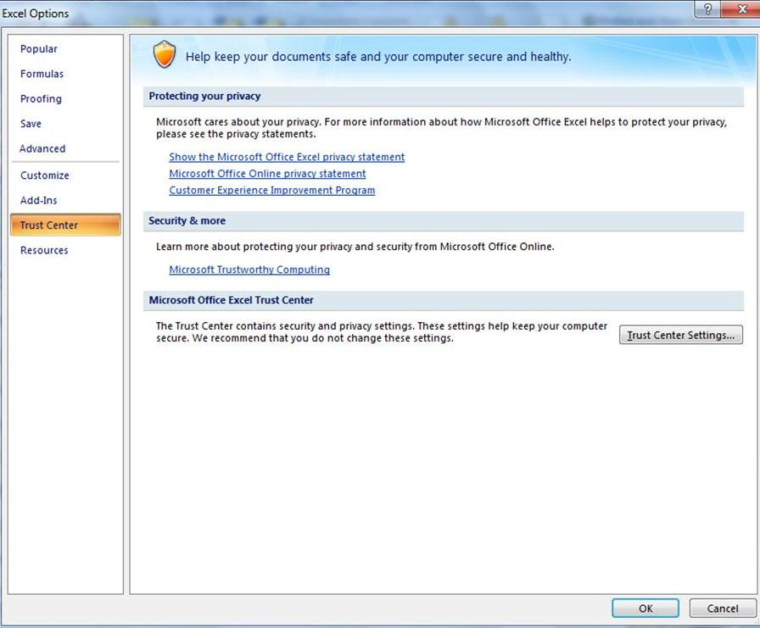 | 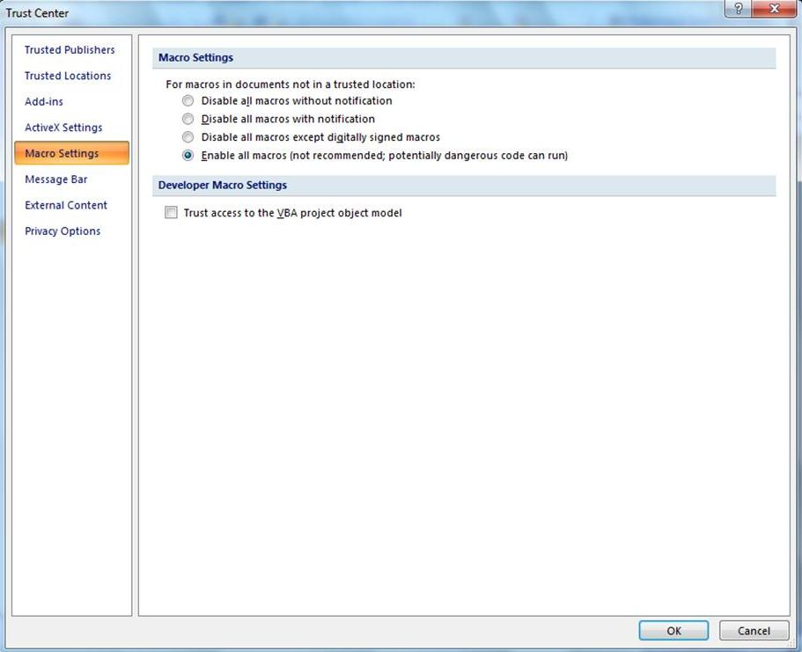
1. ಬಳಕೆದಾರರು ತಮ್ಮ ಕಂಪ್ಯೂಟರ್ ದಲ್ಲಿ Office 2007 ಇರುವದನ್ನು ಖಾತ್ರಿಪಡಿಸಿಕೊಳ್ಳಿ.
2. ಡಿಟೇಲ್ಸನಲ್ಲಿ ಮಾಹಿತಿ ತುಂಬಿದರೆ, ಪಾರ್ಮ 16 ಮತ್ತು ಪಾರ್ಮ 16A ಸಿದ್ದವಾಗುತ್ತದೆ.
4. ಕಾಲಮಿತಿ ಬಡ್ತಿ ಅಂದರೆ 10/15/20 ವರ್ಷದ ಬಡ್ತಿಯಿದ್ದಲ್ಲಿ, ಡಿಟೇಲ್ಸನಲ್ಲಿ ಕ್ರ.ಸಂ 13 ರಲ್ಲಿ ತುಂಬಿರಿ. ಕ್ರ.ಸಂ. 14 ರಲ್ಲಿ ಜಾರಿಯಾಗುವ
ದಿನಾಂಕ ಮತ್ತು ತಿಂಗಳು ನಮೂದಿಸಿರಿ.
5. ವರ್ಷದ ಮದ್ಯದಲ್ಲಿ ವರ್ಗಾವಣೆಯಾದವರಿಗೆ ಅನೂಕೂಲವಾಗಲು ಎಚ್.ಆರ್.ಎ ಮಾಹಿತಿ ತಿಂಗಳುವಾರು ಎ.ಬಿ.ಸಿ. ಗ್ರೇಡ್ ಆಯ್ಕೆಮಾಡಿರಿ.
6. ವಿಕಲಚೇತನರಿಗೆ ವಿಶೇಷವಾಗಿ ಇದನ್ನು ರಚಿಸಲಾಗಿದೆ. ಅಂದರೆ ವಿಕಲಚೇತನ Yes/ No ಎಂದು ಕ್ರ.ಸಂ. 16 & 21 ತುಂಬಿದರೆ ಅವರ ಸಂಚಾರಿ ಭತ್ಯೆ
ಲೆಕ್ಕಾಚಾರ ತಾನೆ ಮಾಡಿ ವೃತ್ತಿ ತೆರಿಗೆ ವಿನಾಯ್ತಿ ತೋರಿಸಿ, 80U, 10(14) ರಲ್ಲಿ ತೆರಿಗೆ ವಿನಾಯ್ತಿ ತೋರಿಸುತ್ತದೆ.
7. ಟ್ಯಾಕ್ಸೆಬಲ್ ಆದಾಯ 5 ಲಕ್ಷದೊಳಗೆ ಇದ್ದರೆ 0% ತೆರಿಗೆ, 5 ಲಕ್ಷದಿಂದ 10 ಲಕ್ಷದೊಳಗೆ ಇದ್ದರೆ 20% ಮತ್ತು
10 ಲಕ್ಷದಮೇಲಿದ್ದರೆ 30% ಲೆಕ್ಕಾಚಾರ ತಾನೆ ಮಾಡಿ ತೋರಿಸುತ್ತದೆ.
8. ಟ್ಯಾಕ್ಸೆಬಲ್ ಆದಾಯ 3.5 ಲಕ್ಷದೊಳಗೆ ಇದ್ದರೆ, U/S 87A ಅಡಿಯಲ್ಲಿ ರೂ 2,500 ವಿನಾಯ್ತಿ ಲೆಕ್ಕಾಚಾರ ತಾನೆ ನಿರ್ವಹಿಸುತ್ತದೆ.
9. ಉಳಿತಾಯ 1,50,000 ಮೀರಿದ್ದರೆ, 1,50,000 ಮಾತ್ರ ಪರಿಗಣಿಸುವ ವ್ಯವಸ್ಥೆ ಇದೆ.
10. ಖಾಸಗಿ ಅನುದಾನಿತ ಶಾಲಾ ಶಿಕ್ಷಕರಿಗೆ ಜಿ.ಐ.ಎಸ್. ಇರುವದಿಲ್ಲ. ಕ್ರ.ಸಂ. 18 ರಲ್ಲಿ Yes/ No ತುಂಬಿದರೆ ಸಾಕು ಲೆಕ್ಕಿಸುತ್ತದೆ.

Form 16
Form No.16
KARUNADU DIVYANGA NAUKARAR SANGHA ಕರುನಾಡು ದಿವ್ಯಾಂಗ ನೌಕರರ ಸಂಘ KARUNADU DIVYANGA NAUKARAR SANGHA ಕರುನಾಡು ದಿವ್ಯಾಂಗ ನೌಕರರ ಸಂಘ KARUNADU DIVYANGA NAUKARAR SANGHA ಕರುನಾಡು ದಿವ್ಯಾಂಗ ನೌಕರರ ಸಂಘ | DETAILS OF SALARY & DEDUCTIONS for the Financial Year of 2019- 20 A.Y.2020-21
 | Name : | ಶ್ರೀನಿವಾಸ ಹೆಚ್.ಟಿ. |  |  |  |  |  |  | Designation : | ದೈಹಿಕ ಶಿಕ್ಷಣ ಶಿಕ್ಷಕರು(ಗ್ರೇಡ್-1) |  |  | KGID No. | 1260321
 | Permnent Address: |  | 2718 E BLOCK, KANAKADASANAGARA MYSORE |  |  |  |  |  | Office Address |  |  |  | TAN No | 0
 | Aadhar No. |  | 497378753229 |  |  |  |  |  | GJC(HS) KARIMUDDANAHALLI, HUNSUR TQ. |  |  |  | PAN No | AXTPS4023M
 |  | Scale | 43100-1100-46400-1250-53900-1450-62600-1650-72500-1900-83900
 | Month YEAR | SALARY |  |  |  |  |  |  |  |  | DEDUCTIONS
 |  | PAY | Char All | D A | HRA | MA | PHA | S F N + Unu All | CCA | TOTAL | P T | G P F | K G I D | L I C | NPS | GIS /FBF | I T
 | Mar-19 | 62,600 | 0 | 2,348 | 5,008 | 0 | 0 | 0 | 0 | 69,956 | 200 | 2,000 | 2,000 | 1,272 | 0 | 360 | 0
 | Apr-19 | 62,600 | 0 | 4,069 | 5,008 | 0 | 0 | 0 | 0 | 71,677 | 200 | 2,000 | 2,000 | 1,272 | 0 | 360 | 0
 | May-19 | 62,600 | 0 | 4,069 | 5,008 | 0 | 0 | 0 | 0 | 71,677 | 200 | 2,000 | 2,000 | 1,272 | 0 | 360 | 0
 | Jun-19 | 62,600 | 0 | 4,069 | 5,008 | 0 | 0 | 0 | 0 | 71,677 | 200 | 2,000 | 2,000 | 1,272 | 0 | 360 | 0
 | Jul-19 | 62,600 | 0 | 4,069 | 5,008 | 0 | 0 | 0 | 0 | 71,677 | 200 | 2,000 | 2,000 | 1,272 | 0 | 360 | 0
 | Aug-19 | 62,600 | 0 | 4,069 | 5,008 | 0 | 0 | 0 | 0 | 71,677 | 200 | 2,000 | 2,000 | 1,272 | 0 | 360 | 0
 | Sep-19 | 62,600 | 0 | 4,069 | 5,008 | 0 | 0 | 0 | 0 | 71,677 | 200 | 2,000 | 2,000 | 1,272 | 0 | 360 | 0
 | Oct-19 | 62,600 | 0 | 7,043 | 5,008 | 0 | 0 | 0 | 0 | 74,651 | 200 | 2,000 | 2,000 | 1,272 | 0 | 360 | 0
 | Nov-19 | 62,600 | 0 | 7,043 | 5,008 | 0 | 0 | 0 | 0 | 74,651 | 200 | 2,000 | 2,000 | 1,272 | 0 | 360 | 0
 | Dec-19 | 62,600 | 0 | 7,043 | 5,008 | 0 | 0 | 0 | 0 | 74,651 | 200 | 2,000 | 2,000 | 1,272 | 0 | 360 | 0
 | Jan-20 | 64,250 | 0 | 7,228 | 5,140 | 0 | 0 | 0 | 0 | 76,618 | 200 | 2,000 | 2,000 | 1,272 | 0 | 360 | 0
 | Feb-20 | 64,250 | 0 | 7,228 | 5,140 | 0 | 0 | 0 | 0 | 76,618 | 200 | 2,000 | 2,000 | 1,272 | 0 | 360 | 0
 | D.A.Diff Jan | 0 | 0 | 5,166 | 0 | 0 | 0 | 0 | 0 | 5,166 | 0 | 0 | 0 | 0 | 0 | 0 | 0
 | D.A.Diff Jul | 0 | 0 | 8,922 | 0 | 0 | 0 | 0 | 0 | 8,922 | 0 | 0 | 0 | 0 | 0 | 0 | 0
 | Surrender | 0 | 0 | 0 | 0 | 0 | 0 | 0 | 0 | 0 | 0 | 0 | 0 | 0 | 0 | 0 | 0
 | Surender DA | 0 | 0 | 0 | 0 | 0 | 0 | 0 | 0 | 0 | 0 | 0 | 0 | 0 | 0 | 0 | 0
 | Arrears | 0 | 0 | 0 | 0 | 0 | 0 | 0 | 0 | 0 | 0 | 0 | 0 | 0 | 0 | 0 | 0
 | Others | 0 | 0 | 0 | 0 | 0 | 0 | 0 | 0 | 0 | 0 | 0 | 0 | 0 | 0 | 0 | 0
 |  | 754,500 | 0 | 76,435 | 60,360 | 0 | 0 | 0 | 0 | 891,295 | 2,400 | 24,000 | 24,000 | 15,264 | 0 | 4,320 | 0
 | 1. Gross Total salary. |  |  |  |  |  |  |  |  |  |  |  |  |  |  |  | 891,295
 | 2. Agricultural Income |  |  |  |  |  |  |  |  |  |  |  |  |  |  |  | 0
 | 3. Other Income |  |  |  |  |  |  |  |  |  |  |  |  |  |  |  | 0
 | 4. Standard Deduction U/C 16.(40,000/-) |  |  |  |  |  |  |  |  |  |  |  |  |  |  |  | 50,000
 | 5. Total Income |  |  |  |  |  |  |  |  |  |  |  |  |  |  |  | 841,295
 | 6. Less : HRA U/S 10 (13A) |  |  | Actual HRA received |  |  | 60,360 | Rent paid in excess of 10% of salary |  |  |  | 99,000 | 40% of Basic Pay |  | 301,800 | Eligible HRA | 0
 | 7. DEDUCTION P.T. |  |  |  |  |  |  |  |  |  |  |  |  |  |  | रु 2,400 | 838,895
 | 8. House Property Interest payable on barrowed capital U/S 24 |  |  |  |  |  |  |  |  |  |  |  |  |  |  | 0 | 0
 | 8. Income chargable under the head "Salaries" |  |  |  |  |  |  |  |  |  |  |  |  |  |  |  | 838,895
 | 9. Saving Bank Interest. / NSC Accrued Interest. / Infr Structure Bond Interest.
 |  | 0 |  | 0 |  | 0 |  |  |  | Total | Rs. 0 |  |  |  |  |  | 838,895
 | 10. Deduction U/S 80C K.G.I.D. |  |  | 24,000 | L.I.C | 15,264 | G.P.F. | 24,000 | G.I.S./ F.B.F | 4,320 | Tution Fee |  |  | Private Insurance
 |  |  | P.L.I | 0 | Sukanya Samruddi Yojane |  |  |  | Housing Loan Principle Amt |  |  |  |  | Othres
 |  |  |  |  |  |  |  |  |  |  |  | Amount |  |  | Eligible Amt
 |  | 80C- L.I.C.,G.P.F.,P.L.I.,G.I.S.,Debenturs,mutual funds other savings. |  |  |  |  |  |  |  |  |  | 67,584 |  |  | 67,584 |  | 67,584
 |  | 80CCC Payment in respect Pension Fund |  |  |  |  |  |  |  |  |  | 0 |  |  | 67,584
 |  | 80CCD(1) - Contribution to pension scheme of Central Government |  |  |  |  |  |  |  |  |  | 0
 |  | 80CCD(1B) - Contribution to pension scheme of Central Government by employee |  |  |  |  |  |  |  |  |  | 0
 |  | 80CCD(2) - Contribution to pension scheme of Central Government by employer |  |  |  |  |  |  |  |  |  | 0 |  |  | 0 |  | 0
 |  | 80CCG - Investment made under an equity savings scheme |  |  |  |  |  |  |  |  |  | 0 |  |  | 0 |  | 0
 |  | 80D -Health insurance Premium |  |  |  | Self and family including senior citizen parents |  |  |  |  |  | 0 |  |  | 0 |  | 0
 |  | 80DD - Dependent person with Disability |  |  |  |  | Dependent person with disability |  |  |  |  | 0 |  |  | 0 |  | 0
 |  | 80DDB - Medical Treatment of Specified Disease |  |  |  |  | Self or dependent |  |  |  |  | 0 |  |  | 0 |  | 0
 |  | 80E - Interest on loan taken for higher education |  |  |  |  |  |  |  |  |  | 0 |  |  | 0 |  | 0
 |  | 80G - Donations to certain funds, |  |  |  |  |  |  |  |  |  | 0 |  |  | 0 |  | 0
 |  | 80GGA - Certain donations for scientific research or rural development |  |  |  |  |  |  |  |  |  | 0 |  |  | 0 |  | 0
 |  | 80GGC - Donation to Political party |  |  |  |  |  |  |  |  |  | 0 |  |  | 0 |  | 0
 |  | 80TTA - Income from Interest on saving bank Accounts |  |  |  |  |  | Select |  |  |  | 0 |  |  | 0 |  | 0
 |  | 80U- Person with disability |  |  | Self with Disability |  |  |  |  |  |  | 0 |  |  | 0 |  | 0
 |  | 10(14) Travelling Allowance for P.W.D. person |  |  |  |  |  |  |  |  |  | 0 |  |  | 0 |  | 0
 |  |  |  |  |  |  |  |  |  |  |  | Total Amount |  |  |  |  | 67,584
 | 11. TOTAL TAXABLE INCOME |  |  |  |  |  |  |  |  |  |  |  |  |  |  | 0 | 771,311
 | 12. TOTAL TAX |  |  |  |  |  |  |  |  |  |  |  |  |  |  |  | 66,762
 | 13. Less Income Under Section 10(1) (Agricultural Income) |  |  |  |  |  |  |  |  |  |  |  |  |  |  |  | 0
 | 14. Tax |  |  |  |  |  |  |  |  |  |  |  |  |  |  |  | 66,762
 | 15. Rebata U/S 87A |  |  |  |  |  |  |  |  |  |  |  |  |  |  |  | 0
 | 16. Net Tax |  |  |  |  |  |  |  |  |  |  |  |  |  |  |  | 66,762
 | 15. Edn Cess 4% |  |  |  |  |  |  |  |  |  |  |  |  |  |  |  | 2,670
 | 16. Less Income Under Section 89 (Salary Arrears/ Advance) |  |  |  |  |  |  |  |  |  |  |  |  |  |  |  | 0
 | 17. TOTAL TAX |  |  |  |  |  |  |  |  |  |  |  |  |  |  |  | 69,432
 | 18. TAX ADVANCE PAID. |  |  |  |  |  |  |  |  |  |  |  |  |  |  |  | 0
 | 19. PAYABLE TAX / REFUNDABLE AMT. |  |  |  |  |  |  |  |  |  |  |  |  |  |  |  | 69,432
 | 20. TAX IN WORDS. |  |  | #VALUE!
Kadlimatti
H P

 |  |  |  |  |  |  | Sign of Employee |  |  |  |  |  | Sign of Employer
 |  | Place : | Dharwad |  |  |  | ಶ್ರೀನಿವಾಸ ಹೆಚ್.ಟಿ. |  |  |  |  |  | NANJUSNDAIAH
 |  | Date : | 2020-01-21 |  |  |  | ದೈಹಿಕ ಶಿಕ್ಷಣ ಶಿಕ್ಷಕರು(ಗ್ರೇಡ್-1) |  |  |  |  |  | SENIOR ASSISTANT TEACHER

Form 16 A..
KARUNADU DIVYANGA NAUKARAR SANGHA - ಕರುನಾಡು ದಿವ್ಯಾಂಗ ನೌಕರರ ಸಂಘ - KARUNADU DIVYANGA NAUKARAR SANGHA - ಕರುನಾಡು ದಿವ್ಯಾಂಗ ನೌಕರರ ಸಂಘ - KARUNADU DIVYANGA NAUKARAR SANGHA - ಕರುನಾಡು ದಿವ್ಯಾಂಗ ನೌಕರರ ಸಂಘ | FORM NO 16
 | (See Rule 31 (1) (a))
 | Certified under 203 of Income Tax Act 1961 for Tax deducted at Source from Income Chargable under the head "Salaries"
 | NAME & ADDRESS OF THE EMPLOYER |  |  | NAME & DESIGNATION OF THE EMPLOYEE
 | NANJUSNDAIAH |  |  | ಶ್ರೀನಿವಾಸ ಹೆಚ್.ಟಿ.
 | SENIOR ASSISTANT TEACHER |  |  |  | ದೈಹಿಕ ಶಿಕ್ಷಣ ಶಿಕ್ಷಕರು(ಗ್ರೇಡ್-1) | KGID No. | 1260321
 | GJC(HS) KARIMUDDANAHALLI, HUNSUR TQ. |  |  | GJC(HS) KARIMUDDANAHALLI, HUNSUR TQ.
 | PAN No |  | TAN No | PAN No | Aadhar No | IFSC Code | Saving A/C Number
 |  |  | 0 | AXTPS4023M | 497378753229 | SBIN0001730 | 035218478899
 | TDS Circle where Annual Return / statement under section 206 to be filed I.T.O. - III Hubli |  |  | Date of Birth of Employee | Period |  | Assessment Year
 |  |  |  | 2019-10-21 | From 01/ April / 2019 | To 31/ March / 2020 | 2020-21
 | Details of salary paid and any other income and Tax deducted
 | 1 | Gross Salary |  |  |  |  | 754,500
 | 2 | Allowance not exempt |  |  |  |  | 136,795
 | 3 | Less : Allowance to the extent exmpt under section 10 |  |  |  |  | 0
 | 4 | Balance (1-2-3) |  |  |  |  | 617,705
 | 4.a | House Property Interest payable on barrowed capital U/S 24 |  |  |  |  | 0
 | 5 | Deductions : a) Tax on employment U/s 16(III)
 | b) Entertainment allowance U/s 16(II)
 | 6 | Agregate of 4 (a+b) |  |  |  |  | 0
 | 7 | Income Chargable under the head 'SALARIES' (4-6) |  |  |  |  | 617,705
 | 8 | Deduction under chapter VI A
 |  | 80C- L.I.C.,G.P.F.,P.L.I.,G.I.S.,Debenturs,mutual funds other savings. |  |  |  |  | 67,584
 |  | 80CCC Payment in respect Pension Fund |  |  |  |  | 0
 |  | 80CCD(1) - Contribution to pension scheme of Central Government |  |  |  |  | 0
 |  | 80CCD(1B) - Contribution to pension scheme of Central Government by employee |  |  |  |  | 0
 |  | 80CCD(2) - Contribution to pension scheme of Central Government by employer |  |  |  |  | 0
 |  | 80CCG - Investment made under an equity savings scheme |  |  |  |  | 0
 |  | 80D -Health insurance Premium |  |  |  |  | 0
 |  | 80DD - Dependent person with Disability |  |  |  |  | 0
 |  | 80DDB - Medical Treatment of Specified Disease |  |  |  |  | 0
 |  | 80E - Interest on loan taken for higher education |  |  |  |  | 0
 |  | 80G - Donations to certain funds, charitable institutions, etc |  |  |  |  | 0
 |  | 80GGA - Certain donations for scientific research or rural development |  |  |  |  | 0
 |  | 80GGC - Donation to Political party |  |  |  |  | 0
 |  | 80TTA - Income from Interest on saving bank Accounts |  |  |  |  | 0
 |  | 80U- Person with disability |  |  |  |  | 0
 |  | 10(14) Travelling Allowance for P.W.D. person |  |  |  |  | 0
 | 9. Agregate of Tax Rebate & Relief |  |  |  |  |  | 67,584
 | 10.Total Taxable Income (8-10+12) |  |  |  |  |  | 771,311
 | 11. Tax On Total Income |  |  |  |  |  | 66,762
 | 12. Less Income Under Section 10(1) (Agricultural Income) |  |  |  |  |  | 0
 | 13. Tax |  |  |  |  |  | 66,762
 | 14. Rebata U/S 87A |  |  |  |  |  | 0
 | 15. Net Tax |  |  |  |  |  | 66,762
 | 16. Edn Cess 4% |  |  |  |  |  | 2,670
 | 17. Less Income Under Section 89 (Salary Arrears/ Advance) |  |  |  |  |  | 0
 | 18. Agregate Total Tax |  |  |  |  |  | 69,432
 | 19. Total Tax Paid |  |  |  |  |  | 0
 | 20. Refund/ Balance Tax |  |  |  |  |  | 69,432
 |  | DETAILS OF TAX DEDUCTION AND DEPOSITED IN TO CENTRAL GOVT.ACCOUNT
 |  | Quarter | Amount | Date of Payment | Bank Name & Branch
 |  | 1 | 0
 |  | 2 | 0
 |  | 3 | 0
 |  | 4 | 0
 | Certified that a sum of |  | रु 69,432 | #VALUE!
 |  | has been deducted at source and paid to the credit of the central Govt. further certified that above information is true and correct as per records.
Kadlimatti
H P

 |  | Place : |  | Sign of the person responsible for deduction of Tax
 |  | Date : | 2020-01-21 |  | NANJUSNDAIAH | SENIOR ASSISTANT TEACHER

